v1
 |  |  |  |  |  | Your Score: | 0 | / | 100
Instructions: | Each picture is a part of an album within the progressive rock genres. It can be classic prog, neo prog, progmetal, etc. You must put the name of the band AND the name of the album in order to achieve one point. All entries must be in lower cases, even names. All "&" characters (like in john & paul) have been replaced by "and" (thus, it would be john and paul). Commas are accepted (and required) when suitable (in the name or album title) like for instance "me, you and them". Nevertheless, keep in mind that some names and titles might not be using commas (for example, "johnson smith carpenter wayne"). Quantities may be expressed either with numbers or letters, for example "nine" or "9". Exclamation and Question marks were kept if the band or title includes them, for example "ok!" Any hints, questions or errors, please send IM to www.facebook.com/brunillion

 | 1 |  | 2 |  | 3 |  | 4 |  | 5
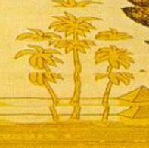 |  |  |  |  |  |  | 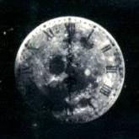 | 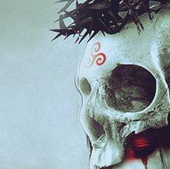
Group
Album
 | WRONG |  | WRONG |  | WRONG |  | WRONG |  | WRONG

 | 6 |  | 7 |  | 8 |  | 9 |  | 10
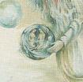 |  |  | 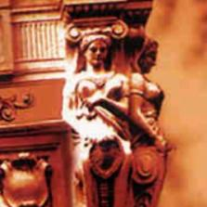 |  | 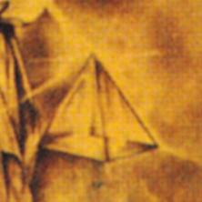 |  | 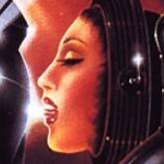 | 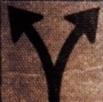
Group
Album
 | WRONG |  | WRONG |  | WRONG |  | WRONG |  | WRONG

 | 11 |  | 12 |  | 13 |  | 14 |  | 15
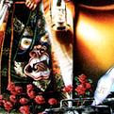 |  |  |  | 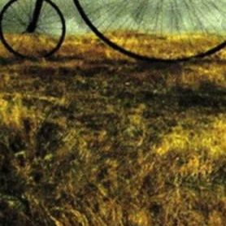 |  | 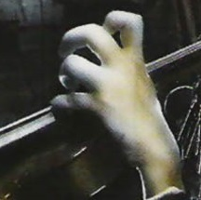 |  | 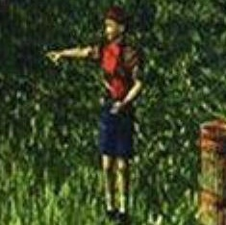
Group
Album
 | WRONG |  | WRONG |  | WRONG |  | WRONG |  | WRONG

 | 16 |  | 17 |  | 18 |  | 19 |  | 20
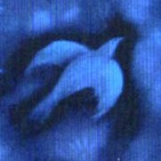 |  | 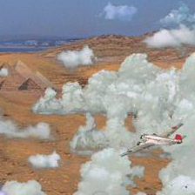 |  | 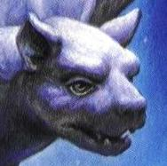 |  | 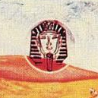 |  | 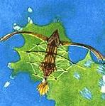
Group
Album
 | WRONG |  | WRONG |  | WRONG |  | WRONG |  | WRONG

 | 21 |  | 22 |  | 23 |  | 24 |  | 25
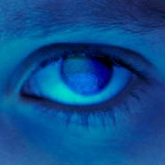 |  | 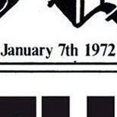 |  | 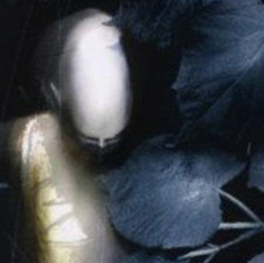 |  | 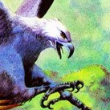
Group
Album
 | WRONG |  | WRONG |  | WRONG |  | WRONG |  | WRONG

 | 26 |  | 27 |  | 28 |  | 29 |  | 30
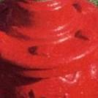 |  | 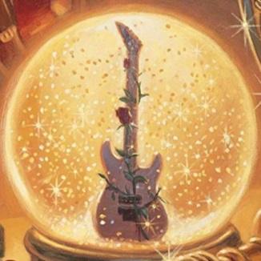 |  | 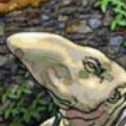 |  | 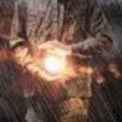
Group
Album
 | WRONG |  | WRONG |  | WRONG |  | WRONG |  | WRONG

 | 31 |  | 32 |  | 33 |  | 34 |  | 35
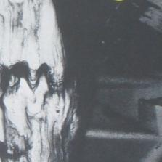 |  | 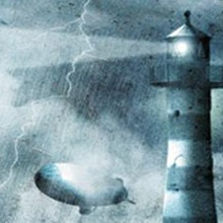 |  |  | 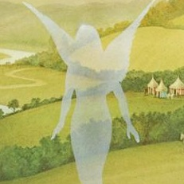 |  | 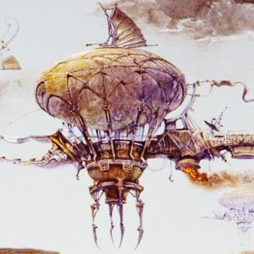 | 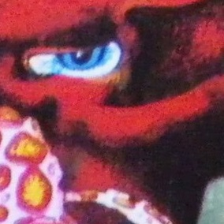
Group
Album
 | WRONG |  | WRONG |  | WRONG |  | WRONG |  | WRONG

 | 36 |  | 37 |  | 38 |  | 39 |  | 40
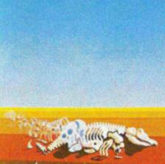 |  | 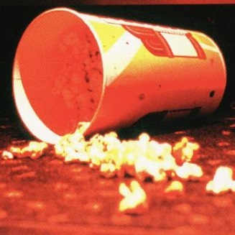 |  | 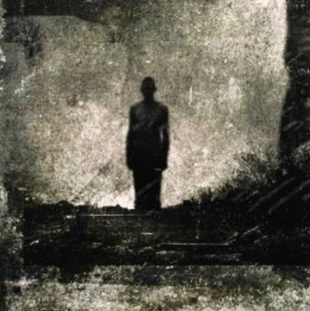 |  | 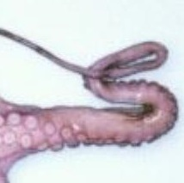 |  | 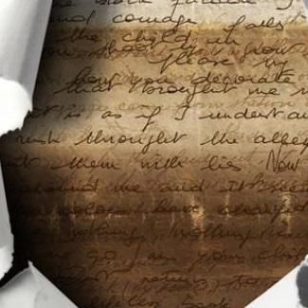
Group
Album
 | WRONG |  | WRONG |  | WRONG |  | WRONG |  | WRONG

 | 41 |  | 42 |  | 43 |  | 44 |  | 45
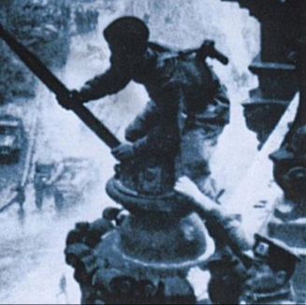 |  | 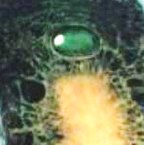 |  |  |  | 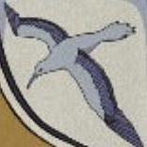 |  | 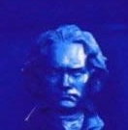
Group
Album
 | WRONG |  | WRONG |  | WRONG |  | WRONG |  | WRONG

 | 46 |  | 47 |  | 48 |  | 49 |  | 50
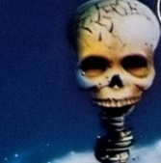 |  | 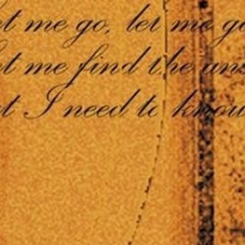 |  | 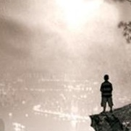 |  | 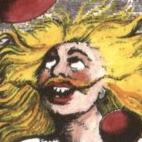 |  | 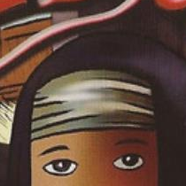
Group
Album
 | WRONG |  | WRONG |  | WRONG |  | WRONG |  | WRONG

 | 51 |  | 52 |  | 53 |  | 54 |  | 55
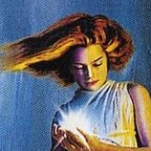 |  |  |  | 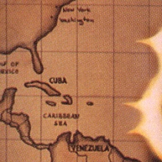 |  | 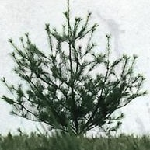
Group
Album
 | WRONG |  | WRONG |  | WRONG |  | WRONG |  | WRONG

 | 56 |  | 57 |  | 58 |  | 59 |  | 60
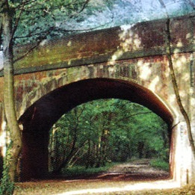 |  | 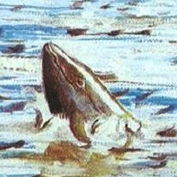 |  | 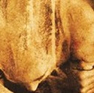
Group
Album
 | WRONG |  | WRONG |  | WRONG |  | WRONG |  | WRONG

 | 61 |  | 62 |  | 63 |  | 64 |  | 65

Group
Album
 | WRONG |  | WRONG |  | WRONG |  | WRONG |  | WRONG

 | 66 |  | 67 |  | 68 |  | 69 |  | 70

Group
Album
 | WRONG |  | WRONG |  | WRONG |  | WRONG |  | WRONG

 | 71 |  | 72 |  | 73 |  | 74 |  | 75

Group
Album
 | WRONG |  | WRONG |  | WRONG |  | WRONG |  | WRONG

 | 76 |  | 77 |  | 78 |  | 79 |  | 80

Group
Album
 | WRONG |  | WRONG |  | WRONG |  | WRONG |  | WRONG

 | 81 |  | 82 |  | 83 |  | 84 |  | 85

Group
Album
 | WRONG |  | WRONG |  | WRONG |  | WRONG |  | WRONG

 | 86 |  | 87 |  | 88 |  | 89 |  | 90

Group
Album
 | WRONG |  | WRONG |  | WRONG |  | WRONG |  | WRONG

 | 91 |  | 92 |  | 93 |  | 94 |  | 95

Group
Album
 | WRONG |  | WRONG |  | WRONG |  | WRONG |  | WRONG

 | 96 |  | 97 |  | 98 |  | 99 |  | 100

Group
Album
 | WRONG |  | WRONG |  | WRONG |  | WRONG |  | WRONG

